Registration and authentication
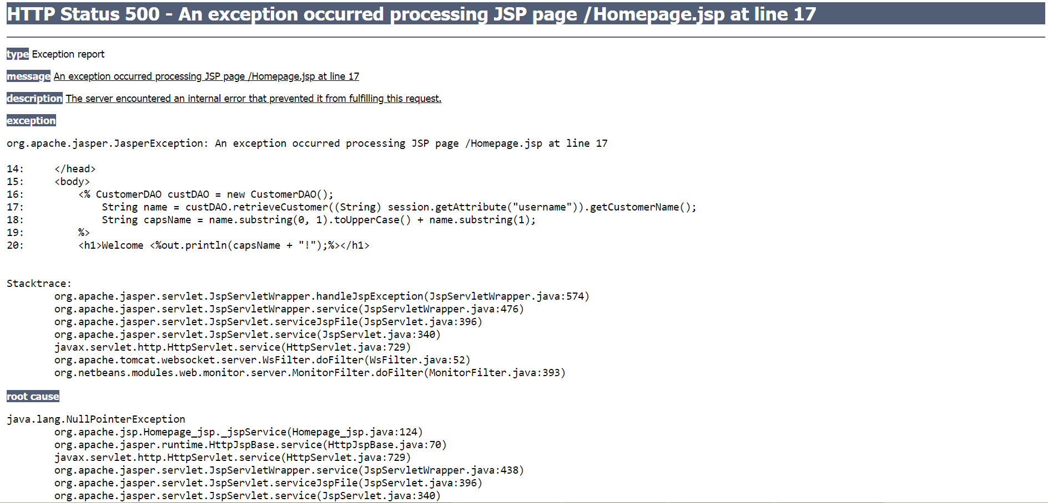
S/N | Type of test | Description | Test to run | Correct outcome | Actual outcome | As per expectations? (Y/N)
1 | Validity of password created | Password should contain at least 8 characters | Password is shorter than 8 characters | Password rejected
2 |  |  | Password is longer than 8 characters | Password accepted
3 |  |  | Password is 8 characters | Password accepted
4 |  | Password should contain at least 1 alphabet, 1 number, and 1 special character | Password contains alphabet, no number, no special character | Password rejected
5 |  |  | Password contains alphabet, number, no special character | Password rejected
6 |  |  | Password contains no alphabet, have number, no special character | Password rejected
7 |  |  | Password contains no alphabet, no number, have special character | Password rejected
8 |  |  | Password contains alphabet, number, special character | Password accepted
9 | Validity of password entered (created already, now authenticating) | Password does not match correct password | Different password from correct password | Password rejected
10 |  | Password matches correct password. User id and pw to run as follows. audreytan, tan123 nicolelee, lee123 prisng, ng123 | Password same as correct password | Password accepted | Password rejected, see screenshot below Note: Previously when I ran this test right away when authentication module was almost done, it worked | N
11 | Security of password storage | Password should be hashed and not stored as plain-text in database | Access database and check if passwords are stored as plain-text | Passwords should not be stored as plain-text | Passwords are hashed | Y

Screenshot for failed procedure 10

